Read me
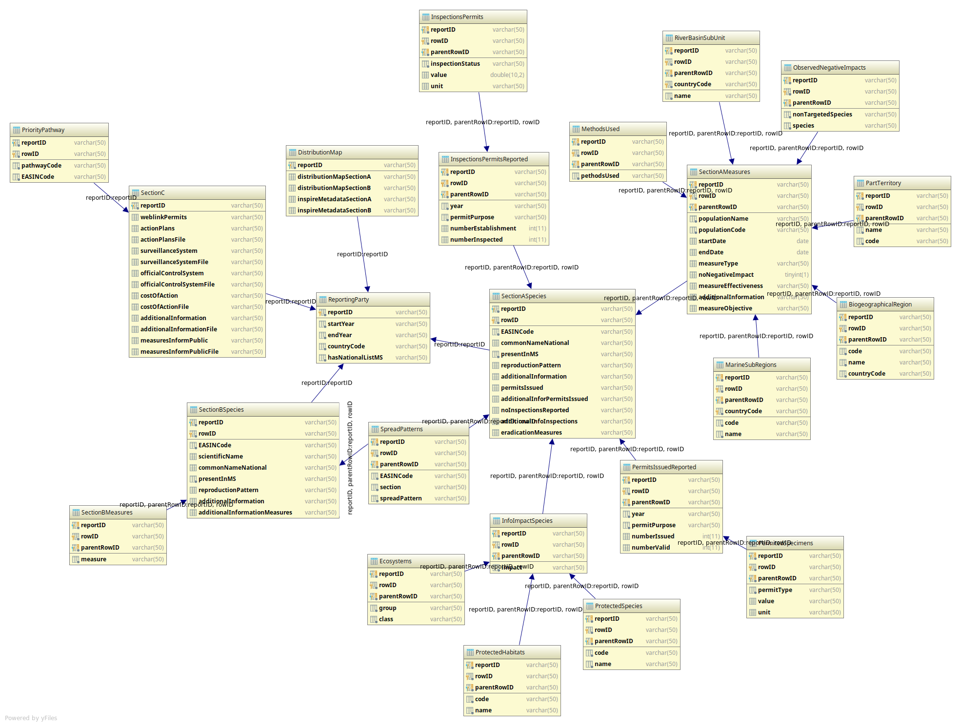
The purpose of this document is to support the mapping of the Report format to the XML schemas. All XML files for the delivery need to validate against the XML schema.

Field name | Description
Schema elements | Element in the XML schema.
Label report format | Field name in the reporting format.
Description | Short explanation of the element.

The schema is generated by the dd.eionet.europa.eu tool and it is available as a dataset at http://dd.eionet.europa.eu/datasets/3426

