Introduction
Fullfillment on the Floods Access tables

Here a little guide about how to fill the Access tables. That's the order to be followed in the schemas: 1) APSFR/PFRA 2) UoMCA 3) FHRM 4) FRMP Getting focused individually in every schema, there is not just one way to populate them, so keep this in mind: From the root to the sheets. In every child table, it will be required the ID of the parent, so the parent should have been created previously. Eventually, it is recommended to create all the references, at the end, all at once. (see below the explanation of how to fill the reference tables.) For this, it can be very helpfull the UML schemas, see the link: http://cdr.eionet.europa.eu/help/Floods/Floods_2018/index.html

UML Schema example
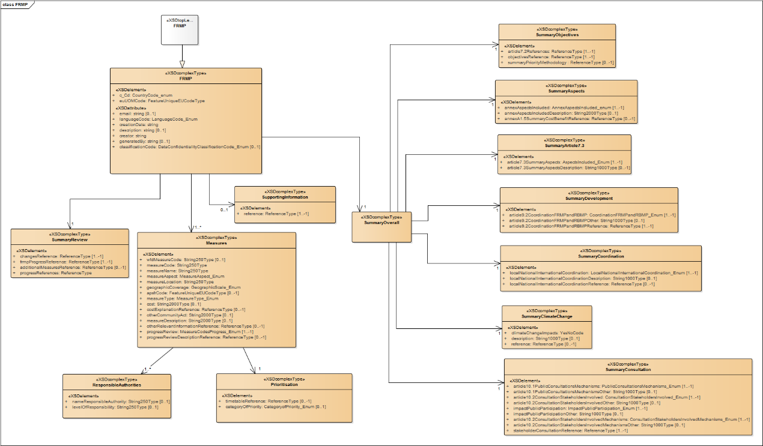

How to fill the Reference Tables
There are 2 Reference tables: - ReferenceTypes - ReferenceType_link According to the FDCommon the ReferenceTypes are links or documents referenced in certain bigger entities.

Those fields are filled in ReferenceType table (to be noticed, the Hyperlink and FileName, we can enter both, even if in the tech. specifications it's said that just one will be permited. This will be checked in the QAQC phase). On the table, the ReferenceTypeID will be created automatically, autoincrementing an internal index. Besides that, the ReferenceType has to be linked to the parent entity, through the ReferenceType_Link table. (In the example below, a PFRAInformation object)

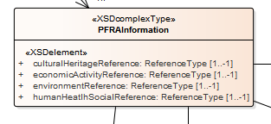

Thus, 3 fields have to be inserted in the ReferenceType_Link - Source: a string value that specifies the reference type. In the example above, we have 4 references. To indicate which of them are we referring to, a value has be selected of the many exposed into the Source combo-box. This value is quite intuitive, if we start typing PFRA... the list will decrease and we can easily find the rigth value

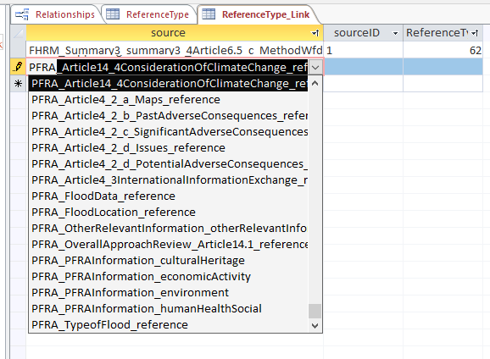

- SourceID: the main ID of the parent entity, in this case the PFRAInformationID, has been filled previously in the PFRA_PFRAInformation table. This field is usually the name of the table with an "ID" as a suffix

- ReferenceTypeID: This index is the autoincremental value generated in the first step, filled in the ReferenceType table.

